By Market
 |  | P R E S S R E L E A S E

 |  | PRESS EMBARGO FOR ALL DATA:
 |  | 8.00 AM (6.00 AM GMT), 18 April 2018

 |  | PROVISIONAL
 |  | NEW PASSENGER CAR REGISTRATIONS BY MARKET
 |  | EUROPEAN UNION1

 |  |  |  |  |  |  | 2018-04-18
 |  | March | March | %Change | Jan - Mar | Jan - Mar | %Change
 |  | '18 | '17 | 18/17 | '18 | '17 | 18/17
 | AUSTRIA | 35,407 | 36,830 | -3.9 | 90,474 | 88,493 | +2.2
 | BELGIUM | 58,431 | 61,066 | -4.3 | 165,557 | 164,709 | +0.5
 | BULGARIA | 3,312 | 3,005 | +10.2 | 8,336 | 6,607 | +26.2
 | CROATIA | 6,296 | 5,381 | +17.0 | 13,876 | 10,810 | +28.4
 | CYPRUS | 1,906 | 1,410 | +35.2 | 4,189 | 3,640 | +15.1
 | CZECH REPUBLIC | 24,453 | 26,786 | -8.7 | 67,873 | 68,059 | -0.3
 | DENMARK | 19,758 | 22,760 | -13.2 | 56,956 | 59,923 | -5.0
 | ESTONIA | 2,278 | 2,191 | +4.0 | 6,632 | 5,743 | +15.5
 | FINLAND | 11,721 | 11,214 | +4.5 | 34,413 | 33,126 | +3.9
 | FRANCE | 231,103 | 226,134 | +2.2 | 556,842 | 541,054 | +2.9
 | GERMANY | 347,433 | 359,683 | -3.4 | 878,611 | 844,684 | +4.0
 | GREECE | 11,058 | 9,445 | +17.1 | 26,781 | 21,097 | +26.9
 | HUNGARY | 12,748 | 9,924 | +28.5 | 31,609 | 24,347 | +29.8
 | IRELAND | 17,764 | 19,890 | -10.7 | 71,802 | 75,982 | -5.5
 | ITALY | 213,731 | 226,780 | -5.8 | 574,130 | 583,162 | -1.5
 | LATVIA | 1,402 | 1,442 | -2.8 | 4,185 | 4,064 | +3.0
 | LITHUANIA | 2,761 | 2,053 | +34.5 | 6,477 | 5,524 | +17.3
 | LUXEMBOURG | 5,379 | 5,191 | +3.6 | 14,296 | 13,341 | +7.2
 | NETHERLANDS | 42,194 | 36,590 | +15.3 | 136,023 | 119,697 | +13.6
 | POLAND | 51,669 | 49,429 | +4.5 | 139,885 | 125,932 | +11.1
 | PORTUGAL | 27,818 | 25,980 | +7.1 | 63,139 | 59,869 | +5.5
 | ROMANIA | 8,122 | 6,915 | +17.5 | 28,643 | 22,276 | +28.6
 | SLOVAKIA | 8,550 | 9,038 | -5.4 | 24,343 | 22,814 | +6.7
 | SLOVENIA | 7,855 | 6,538 | +20.1 | 20,359 | 18,690 | +8.9
 | SPAIN | 128,175 | 125,600 | +2.1 | 340,311 | 307,911 | +10.5
 | SWEDEN | 37,206 | 38,387 | -3.1 | 87,397 | 89,404 | -2.2
 | UNITED KINGDOM | 474,069 | 562,337 | -15.7 | 718,489 | 820,016 | -12.4
 | EUROPEAN UNION | 1,792,599 | 1,891,999 | -5.3 | 4,171,628 | 4,140,974 | +0.7
 | EU152 | 1,661,247 | 1,767,887 | -6.0 | 3,815,221 | 3,822,468 | -0.2
 | EU123 | 131,352 | 124,112 | +5.8 | 356,407 | 318,506 | +11.9
 | ICELAND | 1,834 | 2,078 | -11.7 | 4,618 | 4,653 | -0.8
 | NORWAY | 14,401 | 13,398 | +7.5 | 33,799 | 38,241 | -11.6
 | SWITZERLAND | 28,126 | 30,509 | -7.8 | 72,089 | 72,769 | -0.9
 | EFTA | 44,361 | 45,985 | -3.5 | 110,506 | 115,663 | -4.5
 | EU + EFTA | 1,836,960 | 1,937,984 | -5.2 | 4,282,134 | 4,256,637 | +0.6
 | EU15 + EFTA | 1,705,608 | 1,813,872 | -6.0 | 3,925,727 | 3,938,131 | -0.3
 | SOURCE: NATIONAL AUTOMOBILE MANUFACTURERS' ASSOCIATIONS
 | 1Data for Malta n.a.
 | 2Member States before the 2004 enlargement
 | 3Member States having joined the EU since 2004
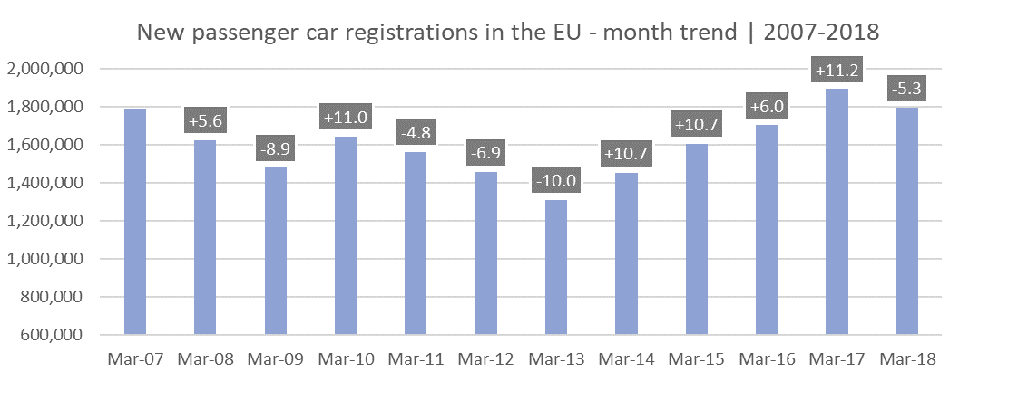

For further information, please contact: Francesca Piazza - Statistics Manager - E-mail: fp@acea.be
 | Next press release: Thursday 17 May 2018
 | This information is available on the ACEA website: http://www.acea.be |  |  |  |  |  |  | Page 2 of 5

